Fanni
VOLUME CHECK
boundary value analysis

Azonosító (ID) | Név (Name) | Leírás (Description) | Előfeltétel (Precondition) | Prioritás (Priority) | Felelős (Owner) | Tesztlépések (Test Steps) | Tesztadat (Test Data) | Elvárt eredmény (Expected Result) | Tényleges eredmény (Actual Result) | Siker/Hiba (Pass/Fail) | Megjegyzés (Comment)
TC1 | Invalid volume range - testing minimum value | User sets the volume to a negative number | TV is in switched on state | Magas |  | 1. Push volume button down on remote 2. Try to go lower than 0 | (possible) -1 | volume does not go lower than 0
TC2 | Invalid volume range - testing maximum value | User sets the volume to more than 100 | TV is in switched on state | Magas |  | 1. Push volume button up on remote 2. Try to go higher than 100 | (possible) 101 | volume does not go higher than 100
TC3 | Testing valid volume range | User sets the volume between 0 and 100 | TV is in switched on state | Magas |  | 1. Push volume button 2. Set volume to 0, then set volume to 100 | volume 0, volume 100 | system allows volume 0 and volume 100
 | Mute button - what happens if volume reaches 0

CONNECTION TEST (WIFI)
state transition
diagram:
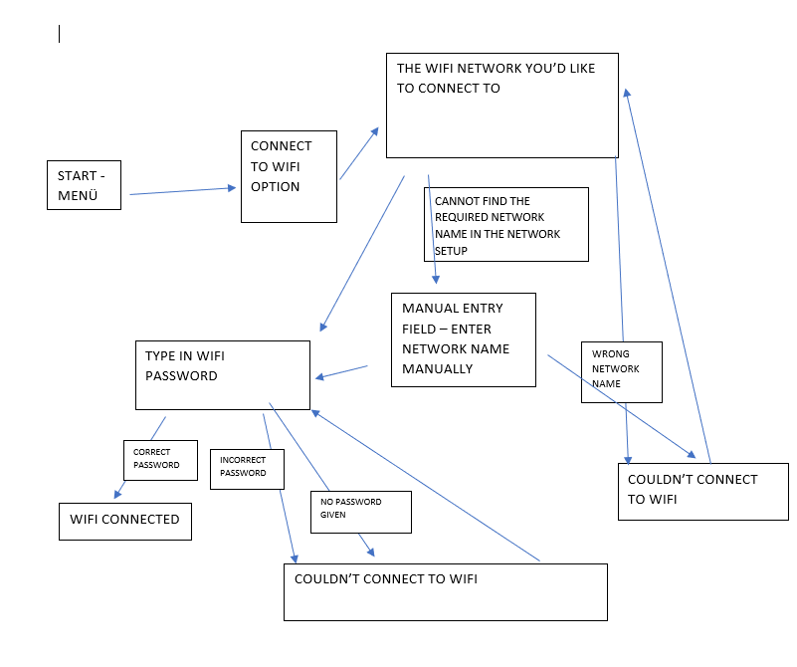

Azonosító (ID) | Név (Name) | Leírás (Description) | Előfeltétel (Precondition) | Prioritás (Priority) | Felelős (Owner) | Tesztlépések (Test Steps) | Tesztadat (Test Data) | Elvárt eredmény (Expected Result) | Tényleges eredmény (Actual Result) | Siker/Hiba (Pass/Fail) | Megjegyzés (Comment)
TC1 | Correct wifi password - successful network connection | User can connect to the wifi network with the right password sucessfuly | TV is in switched on state, appropriate wifi appliance (eg. router, settopbox) is in range, is connected to a power source and is broadcasting network | Magas |  | 1. Go to Menu 2. Choose connect to wifi option 3. Choose the required network 4. Type in valid wifi password 5. Hit OK | characters of valid password | Wifi connection is successful
TC2 | Incorrect wifi password - unsuccessful network connection | User cannot connect to the wifi network with incorrect password | TV is in switched on state, appropriate wifi appliance (eg. router, settopbox) is in range, is connected to a power source and is broadcasting network | Magas |  | 1. Go to Menu 2. Choose connect to wifi option 3. Choose the required network 4. Type in invalid wifi password 5. Hit OK | characters of invalid password | Wifi connection is unsuccessful

 | Password is shown
 | Is error message shown when entering wrong password
 | internet connectivity problem?

1 | WHEN PUSHED ON BUTTON ON TV, TV TURNS ON | state trans
2 | LONG PRESS ON BUTTON, TURNS OFF | state trans
3 | Picture Quality CHANGES
4 | REMOTE CONTROL SENSORS - TESTING THE DIFFERENT COLORS | dt |  Remote Control sensor*1 / Light sensor*1 / Illumination LED The illumination LED lights up or blinks according to the status of the TV. • White When turning on the TV/picture off mode/software update, etc. • Cyan When connecting with a mobile device wirelessly. • Pink*2 Recording mode. • Amber Timer is set
5 | REMOTE CONTROL - DOES IT HAVE ALL THE NECESSARY PARTS AND BUTTONS | Checklist
6 | VOLUME works properly ( both on tv and remote) | bv
7 | AUDIO works properly | ep
8 | Input/Output jacks exist
9 | Audio out jack exitst
10 | ACTION MENU works properly

Levi
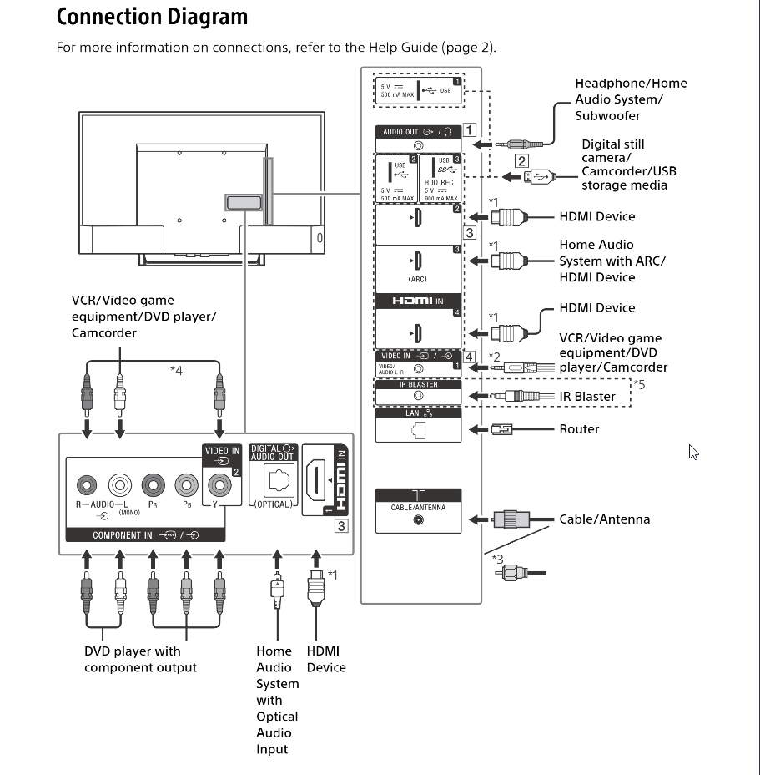
Azonosító (ID) | Név (Name) | Leírás (Description) | Előfeltétel (Precondition) | Prioritás (Priority) | Felelős (Owner) | Tesztlépések (Test Steps) | Tesztadat (Test Data) | Elvárt eredmény (Expected Result) | Tényleges eredmény (Actual Result) | Siker/Hiba (Pass/Fail) | Megjegyzés (Comment)
TC1 | Check common video issues | User turns on the tv and checks if there's any issue with the video | checklist tv turned on | HIGH |  | 1. turn on tv 2. check if you find any issues with the video | checklist | There are no issues with the video
TC2 | Check common audio issues | User turns on the tv and checks if there's any issue with the audio | checklist tv turned on | HIGH |  | 1. turn on tv 2. check if you find any issues with the audio | checklist | There are no issues with the audio

Azonosító (ID) | Név (Name) | Leírás (Description) | Előfeltétel (Precondition) | Prioritás (Priority) | Felelős (Owner) | Tesztlépések (Test Steps) | Tesztadat (Test Data) | Elvárt eredmény (Expected Result) | Tényleges eredmény (Actual Result) | Siker/Hiba (Pass/Fail) | Megjegyzés (Comment)
TC1 | Check connectors | The tester will check if all the connectors are there on the back of the TV | tv is assembled | HIGH |  | Check if every listed connector is there | Connection diagram | The tv has all the listed connectors
TC2 | Check if connectors are working | The tester will plug a cable to every connector listed in the connection diagram to check if all of them are working properly | TC1 Tv turned on and we have all the cables listed | HIGH |  | Check each and every connector | Connection diagram+checklist | The connectors working properly

Timi
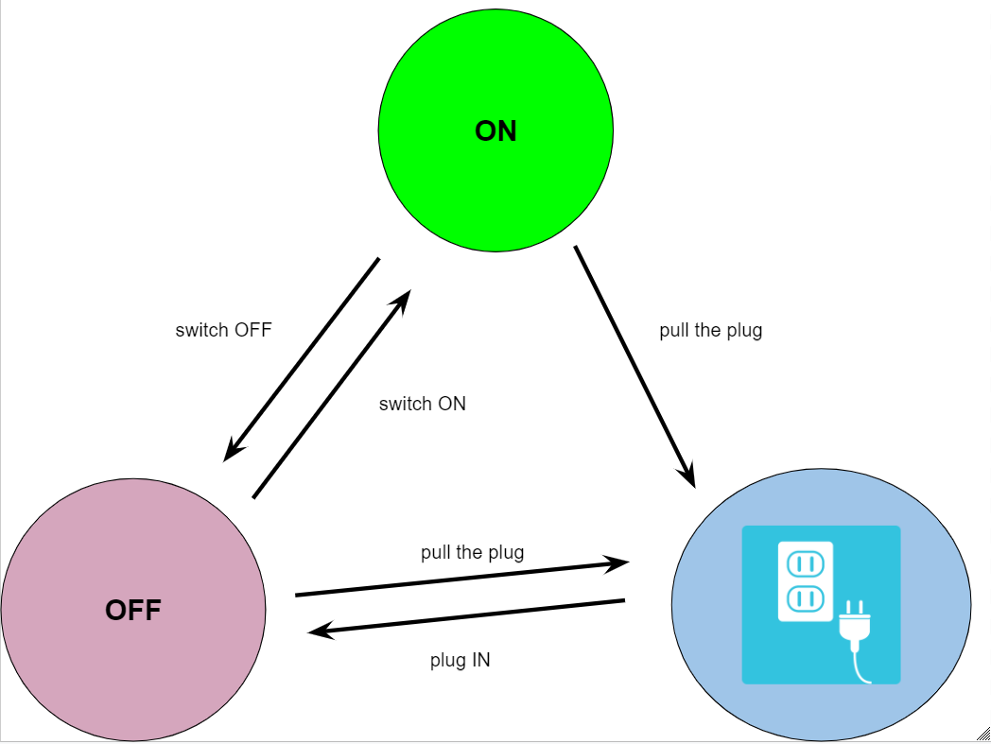

 | S0 | Kihúzva a konnektorból
 | S1 | OFF
 | S2 | ON
 |  | Switch on / Plug in | Switch off / Pull out
 | S0 - Plugged in | S1 | -
 | S1 - ON | S2 | S0
 | S2 - OFF | - | S1, S0

 |  |  |  |  |  |  |  |  |  |  |  |  |  | Test Case | 1 | 2 | 3 | 4 | 5 | 6 | 7
 |  |  |  |  |  |  |  |  |  |  |  |  |  | Start state | S0 | S0 | S1 | S1 | S2 | S2 | S2
 |  |  |  |  |  |  |  |  |  |  |  |  |  | Input | Konnektorba bedug
 |  |  |  |  |  |  |  |  |  |  |  |  |  | Exp output | TV OFF

 | Azonosító (ID) | Név (Name) | Leírás (Description) | Előfeltétel (Precondition) | Test technique | Prioritás (Priority) | Felelős (Owner) | Tesztlépések (Test Steps) | Tesztadat (Test Data) | Elvárt eredmény (Expected Result) | Tényleges eredmény (Actual Result) | Siker/Hiba (Pass/Fail) | Megjegyzés (Comment)
 | OO-TV-TC1 | Plug in - Switch ON - Turn OFF | Verify that it takes the appropriate time to go from plug in through switch ON till turn OFF. | The TV is not plugged in. | State Transition | High | Kis Tímea | 1. Plug in the TV in a working soccet and wait 1-2 minutes. 2. Switch on the TV, and wait another 2 minutes until it is ready to use. 3. Start the MENU and turn off the TV and wait 1-2 minutes, |  | It doesn't take more than 6-7 minutes to go through the steps and there is no flashing red light throug the whole procedure.
 | OO-TV-TC2 | Restart | Verify that the TV restart when you initiate this function. | The TV is ON | State Transition | High | Kis Tímea | 1. Restart the TV from the MENU. 2. Wait at least 1-2 minutes |  | The TV after turn itself off, it starts up again.
 | PAR-TV-TC1 | Blocked channel | Verify that trying to watch a blocked channel is not possible without knowing the password. | The TV is ON. The channel is blocked. The tester doesn't know the password. | Use Case | High | Kis Tímea | 1. Switch to a previously blocked channel. 2. There is a message that it is blocked, and asks for a PIN number, which you don't know. | A blocked channel and an invalid password. | The user can not watch the blocked channel.
 | PAR-TV-TC2 | Temporary unblock | Verify that if you know the valid password, you can unblock the channel you are standing on temporarely. | The TV is ON, the channel is blocked, the tester guessed the password right. | Use Case | High | Kis Tímea | 1. Switch to a previously blocked channel. 2. There is a message that it is blocked, and asks for a PIN number, which you know, and enter at your first/second or third try. | A blocked channel and a valid password. | The user can watch the blocked channel until a limited time with the correctly guessed password.
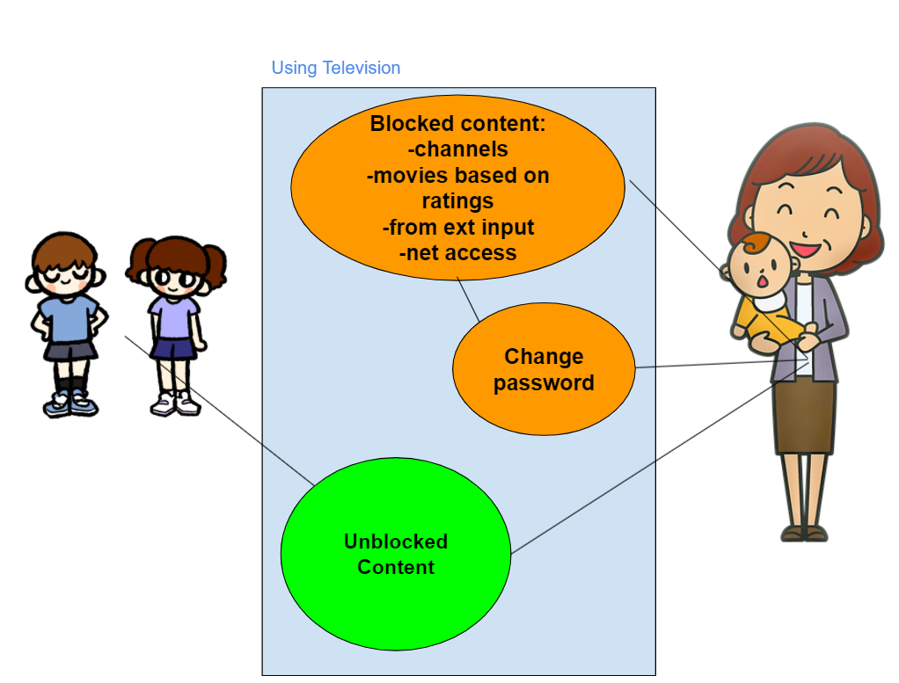

 | Main Success Scenario | Step | Description
 | A: Child | 1 | A: Switching to a blocked channel.
 | S:System | 2 | S: Blocked, enter password.
 |  | 3 | S: Validate password.
 |  | 4 | S: Access denied

 | Extention | 3a | Password valid
 |  |  | S: This channel is temporary unblocked. 00:14:59 remaining.
 |  | 3b | Password not valid
 |  |  | S: Display Message and ask for re-try 2 times.
 |  | 3c | Password not valid 3 times
 |  |  | S: Make a photo and send to the default mail address. Close application.

ErrorG | http://www.sony-asia.com/support
 | http://sony.net
 | Home network settings | https://helpguide.sony.net/tv/dga1/v1/en-142/06-03_01.html
 | Using the TV menu bar | https://helpguide.sony.net/tv/dga1/v1/en-142/01-03_07.html
 | Index | https://helpguide.sony.net/tv/dga1/v1/en-142/09.html

 | WEB MANUAL | https://www.sony-mea.com/en/electronics/support/televisions-projectors-lcd-tvs-android-/kd-43x8000d/manuals

! | https://www.youtube.com/watch?v=OFvTt997POg&list=PLbJF4g421wqmI8Uq6sWuE_L5x2FyyntWq&index=20 | 3:52 -től
 | https://www.rtings.com/tv/reviews/by-size/size-to-distance-relationship | Calculator

 | Távirányító távolsága. Szög számít? | 1 | 2 | 3
BVA | BVA | tv mögül :D | 0 - 300 cm | 301 cm - már nem

 | Energy consumption per year, based on the power consumption of the television operating 4 hours per day for 365 days. The actual energy consumption will depend on how the television is used. | Power consumption Indicated on the rear of the TV | Power Consumption*2 In [Standard] mode KD-49X8000D: 80 W, KD-43X8000D: 82 W | Kipróbálni 4 óráig és megnézni mennyit fogyasztott
 | Sound output 10 W + 10 W
 | Csatlakozók jól működne-e
 | Voice - microphone function | https://helpguide.sony.net/tv/dga1/v1/en-142/01-08_01.html
 | Menu? Help, Exit, Home
UseCase | Use Case | Parental lock | PIN code - Settings - Parental lock (Broadcast) - Change PIN code |  |  | https://helpguide.sony.net/tv/dga1/v1/en-142/search.html?keywords=parental+lock
 | Bizonyos funciók nem elérhetők parental lockolt funkcióval. | Csatornák? Mappák? PIN kódot nem tud változtatni. |  |  |  | https://en.wikipedia.org/wiki/Parental_controls
 | Child account |  |  |  |  | https://www.sony-asia.com/electronics/support/articles/00135452
 | Parent account |  |  |  |  | https://www.samsung.com/us/support/answer/ANS00082484/
 |  |  |  |  |  | http://reboot.fcc.gov/parents/tv-and-parental-controls
State transition | 3 state |  |  |  |  | https://www.fcc.gov/consumers/guides/v-chip-putting-restrictions-what-your-children-watch
 | Ki van húzva | Akkor kell, hogy hosszabb időn keresztül nincs használva (nyaralás)
 | Standby | Alapvető funkciók csak így tudnak működni a háttérben
 | Be van kapcsolva | Minden funkció elérhető, ami nincs lockolva
State Transition | Update
 | Manual
 | Automatic | HOME - Help - Sys sw ud - Automatic sw dl - Off

State Transition
 | Sorting channels / editing the programme list (digital/analogue) | https://helpguide.sony.net/tv/dga1/v1/en-142/02-01-02_03.html
 | 1 | 2a - digital, 2b - analogue | 3 | 4 | State Transition/Use Case
 | Press the HOME button, then select [Settings] — [Watching TV] — [Channels] — [Channel setup] | — [Digital setup] — [Digital tuning] — [Programme list edit]. | Choose the programme you want to move to a new position. | Choose the new position where you want to move the selected programme.
 |  | [Analogue setup] — [Programme sorting].

 | https://helpguide.sony.net/tv/dga1/v1/en-142/01-03_06.html
 | White | When turning on the TV/ picture off mode / software update, etc
 | Cyan | Connecting mobile device
 | Pink | Recording mode | limited region/country/TV model
 | Amber | Timer is set
Decision table | megnézni h milyen sajátosságai vannak még az egyes modelleknek
 | Sony Bravia Televison Modells | KD-49X8300D | KD-49X8000D | KD-43X8300D | KD-43X8000D
 | Europe | 0 | 0 | 0 | 0
 | Közel-Kelet és Afrika | 0 | 1 | 0 | 1
 | Ázsia és Csendes-óceáni térség | 1 | 1 | 1 | 1
 | SCREEN Size - átmérő | 123.2 cm |  | 108.0 cm
 |  | 49 inch |  | 43 inch

